Demographic Data
Age os students
Row Labels | Count of How old are you?
18-22 | 72.41%
23-27 | 20.69%
28-32 | 6.90%
Grand Total | 100.00%

Students by faculty
Row Labels | Count of Faculty
Faculty of Economics and Management Sciences | 12.90%
Faculty of Education | 12.90%
Faculty of Health Sciences | 19.35%
Faculty of Humanities | 9.68%
Faculty of Law | 12.90%
Faculty of Natural and Agricultural Sciences | 22.58%
Faculty of Theology | 9.68%
Grand Total | 100.00%

Row Labels | Count of What year of study are you in?
1st year | 25.81%
2nd year | 35.48%
3rd year | 19.35%
3rd year | 6.45%
4th year | 12.90%
Grand Total | 100.00%

Row Labels | Count of Do you smoke?
Non-smoking | 64.52%
smoking | 35.48%
Grand Total | 100.00%

2. Which Gender Knows more of each risk
Row Labels | Sum of Fertility Issues | Sum of Lung, Mouth and Throat Cancer | Sum of Erectile Dysfunction | Sum of Cardiovascular Disease | Sum of Respiratory Illnesses | Sum of Type 2 Diabetes
Female | 10 | 14 | 4 | 10 | 13 | 3
Male | 9 | 16 | 7 | 13 | 15 | 5
Non-binary | 1 | 1 | 1 | 1 | 1 | 0
Grand Total | 20 | 31 | 12 | 24 | 29 | 8

Gender Vs The Amount Of People That Knew Of Each Risk
 | Sum of Fertility Issues | Sum of Lung, Mouth and Throat Cancer | Sum of Erectile Dysfunction | Sum of Cardiovascular Disease | Sum of Respiratory Illnesses | Sum of Type 2 Diabetes
Female | 10 | 14 | 4 | 10 | 13 | 3
Male | 9 | 16 | 7 | 13 | 15 | 5
Non-binary | 1 | 1 | 1 | 1 | 1 | 0

Row Labels | Count of What is your gender?
Male | 14
Female | 14
3 | 1
Grand Total | 29

Smokers VS Non-smokers
Smoking Habbits
Row Labels | Count of Do you smoke?
No | 18
Yes | 11
Grand Total | 29

Smoking habbits by Faculty
Count of Do you smoke? | Column Labels
Feculty | No | Yes | Grand Total
Faculty of Economics and Management Sciences | 6.90% | 6.90% | 13.79%
Faculty of Education | 13.79% | 0.00% | 13.79%
Faculty of Health Sciences | 13.79% | 6.90% | 20.69%
Faculty of Humanities | 6.90% | 3.45% | 10.34%
Faculty of Law | 6.90% | 6.90% | 13.79%
Faculty of Natural and Agricultural Sciences | 6.90% | 10.34% | 17.24%
Faculty of Theology | 6.90% | 3.45% | 10.34%
Grand Total | 62.07% | 37.93% | 100.00%

Smoking habbits of NWU students by gender

Count of What is your gender? | Column Labels
Row Labels | Non-smoker | Smoker | Grand Total
Male | 24.14% | 24.14% | 48.28%
Females | 37.93% | 10.34% | 48.28%
Non-Binary | 0.00% | 3.45% | 3.45%
Grand Total | 62.07% | 37.93% | 100.00%

Smoking habbits vs smoking health knowledge

Count of Do you smoke? | Column Labels
Row Labels | Very Well | Somewhat | Nuetral | Grand Total
smoker | 27.59% | 24.14% | 10.34% | 62.07%
non-smoker | 20.69% | 13.79% | 3.45% | 37.93%
Grand Total | 48.28% | 37.93% | 13.79% | 100.00%

Row Labels | Average of Negative Health effect knowledge
Non-Smokers | 4.3
Smokers | 3.4545454545
Grand Total | 4

Average health effect knowledge by smoking habits

Smokers
ID | Start time | Completion time | Email | Name | Last modified time | What is your gender? | How old are you? | Faculty | What year of study are you in? | Rate your knowledge | Fertility Issues | Lung, Mouth and Throat Cancer | Erectile Dysfunction | Cardiovascular Disease | Respiratory Illnesses | Type 2 Diabetes | Do you smoke? | How Often? | How many joints or cigarettes do you smoke on average a day? | Type of product | For how long have you been smoking? | Why did you start | Why do you continue smoking? | Selected negative Health effect knowledge | How many joints or cigarettes do you smoke on average a day?2 | What was your gateway drug?
1 | 4/30/25 | 4/30/25 | anonymous |  |  | 1 | 23 | Faculty of Natural and Agricultural Sciences | 4th year | 1 | 1 | 1 | 0 | 1 | 1 | 0 | 1 | Weekly | 2 | Hubbly;Vape;Cigarettes;Marijuana; | More than 2 years | Learnt from family members;Stress ;Other; | I find pleasure in it | 4 | 2 | Marijuana
3 | 4/30/25 | 4/30/25 | anonymous |  |  | 2 | 20 | Faculty of Humanities | 2nd year | 1 | 0 | 1 | 0 | 0 | 1 | 0 | 1 | Weekly | 1 | Marijuana; | 0 - 6 months | Stress ; | It calms me down; | 2 | 1 | Marijuana
5 | 5/1/25 | 5/1/25 | anonymous |  |  | 1 | 31 | Faculty of Natural and Agricultural Sciences | 2nd year | 1 | 0 | 1 | 0 | 1 | 1 | 1 | 1 | Daily | 4 | Cigarettes; | More than 2 years | Other; | It calms me down; | 4 | 4 | Marijuana
10 | 5/1/25 | 5/1/25 | anonymous |  |  | 1 | 20 | Faculty of Law | 3rd year | 2 | 0 | 1 | 0 | 1 | 1 | 0 | 1 | Daily | 4 | Marijuana;Vape;Cigarettes; | More than 2 years | Other; | It's become a force of habit; I truggle with quitting,; It calms me down | 3 | 4 | Marijuana
11 | 5/1/25 | 5/1/25 | anonymous |  |  | 2 | 20 | Faculty of Economics and Management Sciences | 2nd year | 1 | 0 | 1 | 0 | 1 | 1 | 0 | 1 | Occassionally | 2 | Cigarettes;Vape; | More than 2 years | Relief from Psychological Issues; | I find pleasure in it; | 3 | 2 | Marijuana
12 | 5/1/25 | 5/1/25 | anonymous |  |  | 1 | 21 | Faculty of Economics and Management Sciences | 1st year | 3 | 0 | 1 | 0 | 0 | 0 | 0 | 1 | Daily | 2 | Marijuana; | More than 2 years | Other; | Problems; | 1 | 2 | Marijuana
20 | 5/1/25 | 5/1/25 | anonymous |  |  | 1 | 19 | Faculty of Law | 1st year | 1 | 1 | 1 | 1 | 1 | 1 | 0 | 1 | Daily | 3 | Vape;Cigarettes; | 7 - 12 months | Relief from Psychological Issues; | I find pleasure in it;It calms me down; | 5 | 3 | Cigarettes
21 | 5/1/25 | 5/1/25 | anonymous |  |  | 3 | 20 | Faculty of Theology | 3rd year | 1 | 1 | 1 | 1 | 1 | 1 | 0 | 1 | Occassionally | 0 | Marijuana; | 0 - 6 months | Relief from Psychological Issues;Other; | It calms me down;It's become a force of habit;I find pleasure in it; | 5 | 0 | Cigarettes
27 | 5/4/25 | 5/4/25 | anonymous |  |  | 1 | 19 | Faculty of Health Sciences | 3rd year | 2 | 0 | 1 | 0 | 0 | 1 | 0 | 1 | Daily | 6 | Cigarettes; | 7 - 12 months | Other; | I find pleasure in it; | 2 | 6 | Cigarettes
28 | 5/4/25 | 5/4/25 | anonymous |  |  | 2 | 20 | Faculty of Natural and Agricultural Sciences | 2nd year | 2 | 1 | 1 | 0 | 1 | 1 | 0 | 1 | Occassionally | 0 | Marijuana; | 7 - 12 months | Other; | I find pleasure in it; | 4 | 0 | Marijuana
30 | 5/4/25 | 5/4/25 | anonymous |  |  | 1 | 19 | Faculty of Health Sciences | 3rd year | 2 | 0 | 1 | 0 | 1 | 1 | 0 | 1 |  | 1 | Cigarettes; | 7 - 12 months | Other; | I find pleasure in it; | 3 | 1 | Marijuana

Health Risk Awareness vs Smoking frequency - NWU students
 | How many joints or cigarettes do you smoke on average a day?2
4 | 2
2 | 1
4 | 4
3 | 4
3 | 2
1 | 2
5 | 3
5 | 0
2 | 6
4 | 0
3 | 1
 |  |  |  |  |  |  |  |  |  |  |  |  |  |  |  | Row Labels | Average of How many joints or cigarettes do you smoke on average a day?2
 |  |  |  |  |  |  |  |  | Count of What is your gender? | Column Labels |  |  |  |  |  | Faculty of Economics and Management Sciences | 2
 |  |  |  |  |  |  |  |  | Row Labels | Daily | Occassionally | Weekly | Grand Total |  |  | Faculty of Health Sciences | 3.5
 |  |  |  |  |  |  |  |  | Male | 6 |  | 1 | 7 |  |  | Faculty of Humanities | 1
 |  |  |  |  |  |  |  |  | Female |  | 2 | 1 | 3 |  |  | Faculty of Law | 3.5
 |  |  |  |  |  |  |  |  | Non-Binary |  | 1 |  | 1 |  |  | Faculty of Natural and Agricultural Sciences | 2.3333333333
 |  |  |  |  |  |  |  |  | Grand Total | 6 | 3 | 2 | 11 |  |  | Faculty of Theology | 1
Gender vs smoking frequency (per day)
 | Daily | Occassionally | Weekly
Male | 6 |  | 1
Female |  | 2 | 1
Non-Binary |  | 1
 |  |  |  |  |  |  |  |  |  |  |  |  |  |  |  | Grand Total | 2.4545454545

The average smoking habits of NWU faculties

Why NWU students continue smoking

 |  |  |  |  |  |  |  |  |  | Why do you continue smoking? | Count | How many joints or cigarets a day on average
 |  |  |  |  |  |  |  |  |  | I find pleasure in it | 7 | 2
 |  |  |  |  |  |  |  |  |  | It calms me down | 5 | 2.4
 |  |  |  |  |  |  |  |  |  | It's become a force of habit | 2 | 2
 | Why do you continue smoking? | Count
Student smoking frequency by reason for smoking
 | I find pleasure in it | 7
 | It calms me down | 5
 | It's became a force of habit | 2
 | I struggle to quit | 1
 | Problems | 1

Why NWU students start smoking
 | Why did you start | Count
 | Other(Curiosity, positive perception of smoking) | 8
 | Learnt from family members | 1
 | Relief from Psychological Issues | 3
 | Stress | 2

 |  |  |  |  |  |  |  |  | Row Labels | Average of How many joints or cigarettes do you smoke on average a day?
 |  |  |  |  |  |  |  |  | 0 - 6 months | 1
 |  |  |  |  |  |  |  |  | 7 - 12 months | 2.75
First drug smoked by students
 |  |  |  |  |  |  |  |  | More than 2 years | 2.8
 | Row Labels | Count of What was your gateway drug? |  |  |  |  |  |  | Grand Total | 2.4545454545
 | Cigarettes | 3
Smoking frequency (per day) by smoking duration (Year)
 | Marijuana | 8
 | Grand Total | 11

Smoking students by faculty
 | Smokers
Faculty of Economics and Management Sciences | 0.27272727273
Faculty of Health Sciences | 0.090909090909
Faculty of Humanities | 0.090909090909
Faculty of Law | 0.18181818182
Faculty of Natural and Agricultural Sciences | 0.27272727273
Faculty of Theology | 0.090909090909

 | Count of Faculty | Column Labels
 | Row Labels | Smokers | Grand Total
 | Faculty of Economics and Management Sciences | 27.27% | 27.27%
 | Faculty of Health Sciences | 9.09% | 9.09%
 | Faculty of Humanities | 9.09% | 9.09%
 | Faculty of Law | 18.18% | 18.18%
 | Faculty of Natural and Agricultural Sciences | 27.27% | 27.27%
 | Faculty of Theology | 9.09% | 9.09%
 | Grand Total | 100.00% | 100.00%

Non-Smokers
ID | Last modified time | What is your gender? | How old are you? | Faculty | What year of study are you in? | Rate your knowledge | Fertility Issues | Lung, Mouth and Throat Cancer | Erectile Dysfunction | Cardiovascular Disease | Respiratory Illnesses | Type 2 Diabetes | Do you smoke? | Why don't you smoke? | Have you tried it before | Would you try it? | Negative Health effect knowledge
2 |  | 2 | 21 | Faculty of Economics and Management Sciences | 4th year | 1 | 0 | 1 | 0 | 1 | 1 | 0 | 0 | It destroys the body;Societal Standards;Health Issues;It's not my cup of tea;It's a financial liability (every cent counts); It smells bad; | No | No | 3
4 |  | 2 | 22 | Faculty of Law | 3rd year | 1 | 1 | 1 | 1 | 1 | 1 | 0 | 0 | It's a financial liability (every cent counts); Health Issues; | Yes | Yes | 5
6 |  | 2 | 21 | Faculty of Law | 2nd year | 2 | 0 | 1 | 0 | 1 | 1 | 0 | 0 | It's not my cup of tea; | Yes | No | 3
7 |  | 2 | 18 | Faculty of Theology | 2nd year | 2 | 1 | 1 | 1 | 1 | 1 | 1 | 0 | It's not my cup of tea; | No | No | 5
8 |  | 1 | 25 | Faculty of Education | 3rd year | 2 | 1 | 1 | 1 | 1 | 1 | 1 | 0 | It destroys the body;It's a financial liability (every cent counts);Health Issues; | Yes | No | 5
9 |  | 2 | 24 | Faculty of Theology | 1st year | 1 | 1 | 1 | 1 | 1 | 1 | 1 | 0 | It's not my cup of tea; I don't want that lifestyle; | Yes | Maybe | 5
13 |  | 2 | 19 | Faculty of Education | 2nd year | 1 | 1 | 1 | 0 | 0 | 1 | 1 | 0 | It's not my cup of tea; | Yes | Maybe | 3
14 |  | 1 | 22 | Faculty of Economics and Management Sciences | 3rd year | 1 | 1 | 1 | 1 | 1 | 1 | 0 | 0 | Societal Standards;Health Issues;It destroys the body;It's not my cup of tea; | Yes | No | 5
15 |  | 2 | 22 | Faculty of Education | 1st year | 3 | 1 | 1 | 0 | 0 | 0 | 0 | 0 | It's not my cup of tea;Health Issues;It destroys the body;Societal Standards; | No | No | 2
16 |  | 1 | 23 | Faculty of Natural and Agricultural Sciences | 1st year | 1 | 1 | 1 | 1 | 1 | 1 | 1 | 0 | It's not my cup of tea; | No | No | 5
17 |  | 1 | 23 | Faculty of Natural and Agricultural Sciences | 3rd year | 3 | 0 | 1 | 0 | 1 | 1 | 0 | 0 | Health Issues;It destroys the body;It's not my cup of tea; | Yes | Yes | 3
18 |  | 2 | 19 | Faculty of Health Sciences | 2nd year | 2 | 1 | 1 | 0 | 1 | 1 | 0 | 0 | It's not my cup of tea; | Yes | No | 4
19 |  | 2 | 23 | Faculty of Education | 4th year | 2 | 1 | 1 | 0 | 0 | 1 | 0 | 0 | I just haven't tried it yet;It's not my cup of tea;Health Issues ; | Yes | No | 3
22 |  | 1 | 22 | Faculty of Health Sciences | 4th year | 1 | 1 | 1 | 1 | 1 | 1 | 1 | 0 | It destroys the body;It's not my cup of tea; | No | Maybe | 5
23 |  | 2 | 19 | Faculty of Health Sciences | 1st year | 2 | 1 | 1 | 1 | 1 | 1 | 0 | 0 | It's not my cup of tea;It destroys the body; | Yes | No | 5
24 |  | 1 | 19 | Faculty of Humanities | 1st year | 2 | 0 | 1 | 0 | 1 | 1 | 0 | 0 | Societal Standards;I just haven't tried it yet; | No | Yes | 3
25 |  | 2 | 22 | Faculty of Health Sciences | 3rd year | 1 | 1 | 1 | 1 | 1 | 1 | 0 | 0 | It destroys the body; It's a financial liability (every cent counts);Health Issues ;It's not my cup of tea; | Yes | No | 5
26 |  | 1 | 20 | Faculty of Humanities | 1st year | 3 | 0 | 1 | 0 | 0 | 1 | 0 | 0 | It's not my cup of tea; | No | No | 2
30 |  | 2 | 22 | Faculty of Natural and Agricultural Sciences | 2nd year | 1 | 1 | 1 | 0 | 1 | 1 | 1 | 0 | It's not my cup of tea;It destroys the body | Yes | Maybe | 4
31 |  | 1 | 19 | Faculty of Natural and Agricultural Sciences | 2nd year | 1 | 1 | 1 | 0 | 1 | 1 | 0 | 0 | Health Issues;It's not my cup of tea;It destroys the body | No | Maybe | 4

Reasons for not smoking - NWU students
 |  | Would you try
Why don't you smoke? | Count | Yes | No | Maybe
It's not my cup of tea | 17 | 1 | 11 | 5
It destroys the body | 10 | 1 | 6 | 3
Societal Standards | 4 | 1 | 3 | 0
Existing Health Issues | 9 | 2 | 6 | 1
It's a financial liability | 4 | 1 | 3 | 0
It smells bad | 1 | 0 | 1 | 0

Reasons for not smoking vs Would you try smoking

Reasons for not smoking vs Students who have tried smoking
Reasons for not smoking of students who have never tried before

 |  | Have you tried before
Why don't you smoke? | Count | Yes | No
It's not my cup of tea | 17 | 10 | 7
It destroys the body | 10 | 6 | 4
Societal Standards | 4 | 1 | 3
Existing Health Issues | 9 | 6 | 3
It's a financial liability | 4 | 3 | 1
It smells bad | 1 | 0 | 1

Awareness
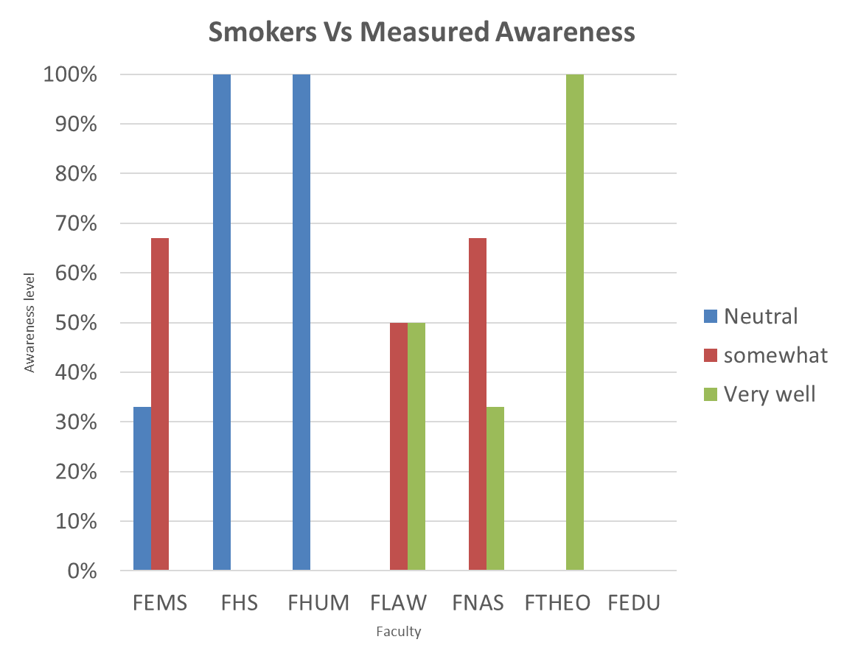
Smokers Vs Stated Awareness
 | Neutral | Somewhat | Very well
F.EMS | 0.33333333333 | 0.33333333333 | 0.33333333333
F.HS | 0 | 1 | 0
F.HUM | 0 | 0 | 1
F.LAW | 0 | 0.5 | 0.5
F.NAS | 0 | 0.33333333333 | 0.66666666667
F.THEO | 0 | 0 | 1

